サンプル製品カタログ
CORDUROY PANTS(SAMPLE) | C/#BLACK | PANTS SASMPLE | 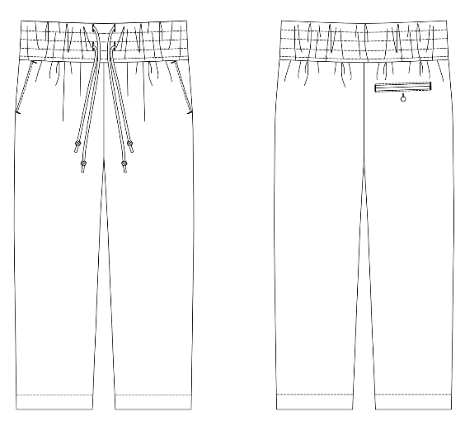 | FRONT COTTON 100% LINING COTTON 100% | No.6
KAMEI PANTS(SAMPLE) | C/#BLACK | PANTS SAMPLE |  | FRONT COTTON 60% POLYESTER40% LINING COTTON 100% | No.7
KAMEI COACH JACKET(SAMPLE） | C/#BEIGE | JACKET SAMPLE |  | NYLON 100% LINING POLYESTER100%

